CLUTCH
CLUTCH BAGS (12.5" L X 7.25" H) & (11.75" L X 5.75" H) |  |  |  | CHEVRON / PICNIC BAGS (12.8' L X 8.5' H) & (11.8' L X 5.8' H)
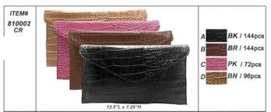

 | CLUTCH | STYLE | QTY |  |  | CHEVRON | STYLE | QTY
 | 810002A | BK /Croco | 144 |  |  | 810128A | BK/WHT | 72
 | 810002B | D.BR | 144 |  |  | 810128B | AQU/BK | 70
 | 810002C | PK | 72 |  |  | 810128C | GN/BK | 72
 | 810002D | BN | 96 |  |  | 810128D | FU/PK | 72
 |  |  | 456 |  |  |  |  | 286

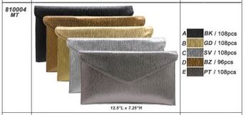

 | CLUTCH | STYLE | QTY |  |  | CHEVRON | STYLE | QTY
 | 810004A | BK/Metallic | 108 |  |  | 810129A | BK/WHT | 70
 | 810004B | GD | 108 |  |  | 810129B | AQU/BK | 72
 | 810004C | SV | 108 |  |  | 810129C | GN/BK | 72
 | 810004D | BZ | 96 |  |  | 810129D | FU/PK | 72
 | 810004E | PT | 108 |  |  |  |  | 286
 |  |  | 528

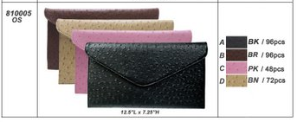
 |  |  |  |  |  | CHEVRON | STYLE | QTY
 | CLUTCH | STYLE | QTY |  |  | 810130A | BK/WHT | 72
 | 810005A | BK/Ostrich | 96 |  |  | 810130B | AQU/BK | 72
 | 810005B | BR | 96 |  |  | 810130C | GN/BK | 72
 | 810005C | PK | 48 |  |  | 810130D | FU/PK | 70
 | 810005D | BN | 72 |  |  |  |  | 286
 |  |  | 312

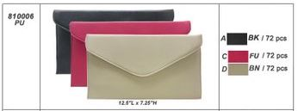
 |  |  |  |  |  | CHEVRON | STYLE | QTY
 | CLUTCH | STYLE | QTY |  |  | 810131A | BK/WHT | 61
 | 810006A | BK/PU | 72 |  |  | 810131B | AQU/BK | 67
 | 810006C | FU | 72 |  |  | 810131C | GN/BK | 66
 | 810006D | BN | 72 |  |  | 810131D | FU/PK | 59
 |  |  | 216 |  |  |  |  | 253

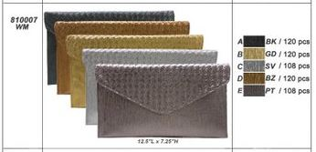
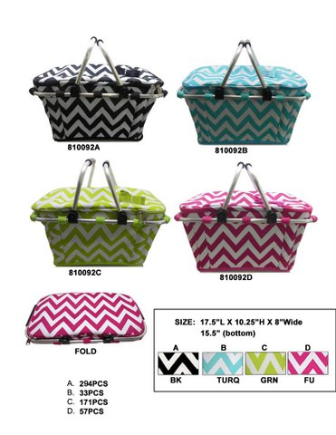
 |  |  |  |  | SIZE: 17.5" L X 10.25" H X 8" WIDE 15.5" (BOTTOM)
 | CLUTCH | STYLE | QTY
 | 810007A | BK/W.M | 120
 | 810007B | GD | 120 |  |  | PICNIC | STYLE | QTY
 | 810007C | SV | 108 |  |  | 810092A | BK/WHT | 294
 | 810007D | BZ | 120 |  |  | 810092B | AQU/BK | 33
 | 810007E | PT | 108 |  |  | 810092C | GN/BK | 171
 |  |  | 576 |  |  | 810092D | FU/PK | 57
 |  |  |  |  |  |  |  | 555

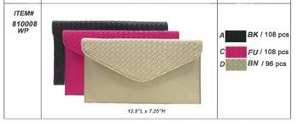

 | CLUTCH | STYLE | QTY
 | 810008A | BK/W.P | 108
 | 810008C | FU | 108
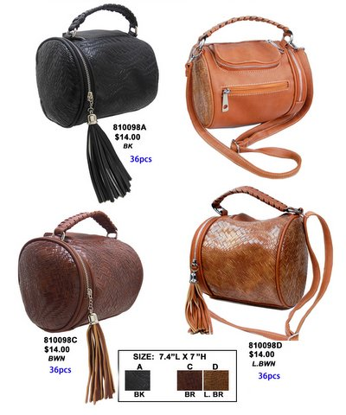
 | 810008D | BN | 96
 |  |  | 312 |  |  | SIZE: 7.4" L X 7" H

 |  |  |  |  |  | CHEVRON | STYLE | QTY
 |  |  |  |  |  | 810098A | BLK | 36
 |  |  |  |  |  | 810098C | BWN | 36
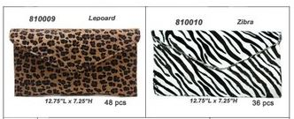
 |  |  |  |  |  | 810098D | L.BWN | 36
 |  |  |  |  |  |  |  | 108

 | CLUTCH | STYLE | QTY
 | 810009A | Leopoard | 48
 | 810010A | Zibra | 36
 |  |  | 84

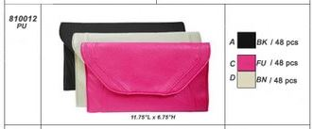
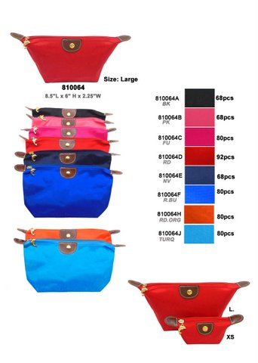
 |  |  |  |  |  | Cosmetic TTL: 2520
 | CLUTCH | STYLE | QTY |  |  | FREE with purchase
 | 810012A | BK/PU | 48 |  |  | SIZE: 8.5" L X 6" H X 2.25" W
 | 810012C | FU | 48
 | 810012D | BN | 48
 |  |  | 144 |  |  | Cosmetic | STYLE | QTY
 |  |  |  |  |  | 810064A | BK | 68
 |  |  |  |  |  | 810064B | PK | 68
 |  |  |  |  |  | 810064C | FU | 80
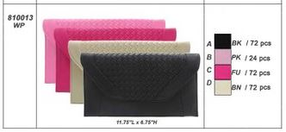
 |  |  |  |  |  | 810064D | RD | 92
 |  |  |  |  |  | 810064E | NV | 68
 | CLUTCH | STYLE | QTY |  |  | 810064F | R.BU | 80
 | 810013A | BK/W.P | 72 |  |  | 810064H | RD.ORG | 80
 | 810013B | PK | 24 |  |  | 810064J | TURQ | 80
 | 810013C | FU | 72 |  |  | Cosmetic
 | 810013D | BN | 72 |  |  | 810065A | BK | 188
 |  |  | 240 |  |  | 810065B | PK | 188
 |  |  |  |  |  | 810065C | FU | 200
 |  |  |  |  |  | 810065D | RD | 188
 |  |  |  |  |  | 810065E | NV | 200
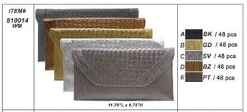
 |  |  |  |  |  | 810065F | R.BU | 200
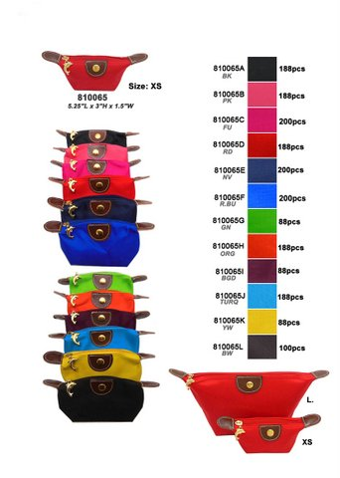
 |  |  |  |  |  | 810065G | GN | 88
 | CLUTCH | STYLE | QTY |  |  | 810065H | RD.ORG | 188
 | 810014A | BK/W.M | 48 |  |  | 810065I | BERG | 88
 | 810014B | GD | 48 |  |  | 810065J | AQU | 188
 | 810014C | SV | 48 |  |  | 810065K | YEW | 88
 | 810014D | BZ | 48 |  |  | 810065L | BWN | 100
 | 810014E | PT | 48 |  |  |  | TOTAL | 2520
 |  |  | 240

 |  |  |  |  |  | SIZE: 5.5" L X 3" H X 1.5" W

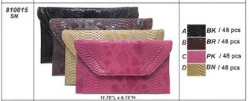
 | CLUTCH | STYLE | QTY
 | 810015A | BK/Snake | 48
 | 810015b | BWN | 48
 | 810015C | PK | 48
 | 810015D | L.BWB | 48
 |  |  | 192

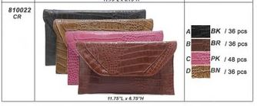

 | CLUTCH | STYLE | QTY
 | 810022A | BK/CR | 36
 | 810022B | BWN | 36
 | 810022C | PK | 48
 | 810022D | L.BWN | 36
 |  |  | 156

 | CLUTCH | STYLE | QTY
 | 810025 | ZBR | 25
 |  |  | 25

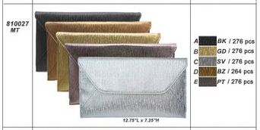

 | CLUTCH | STYLE | QTY
 | 810027A | BK/MT | 276
 | 810027B | GD | 276
 | 810027C | SV | 276
 | 810027D | BZ | 264
 | 810027E | PT | 276
 |  |  | 1368

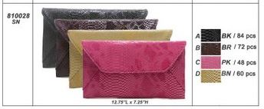

 | CLUTCH | STYLE | QTY
 | 810028A | BK/Snake | 84
 | 810028B | BWN | 72
 | 810028C | PK | 48
 | 810028D | L.BWN | 60
 |  |  | 264

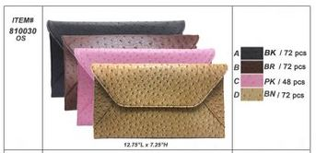

 | CLUTCH | STYLE | QTY
 | 810030A | BK/Ostrich | 72
 | 810030b | BWN | 72
 | 810030C | PK | 48
 | 810030D | L.BWN | 72
 |  |  | 264

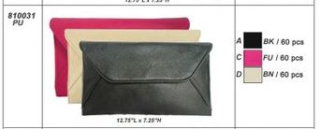

 | CLUTCH | STYLE | QTY
 | 810031B | FU | 60
 | 810031C | BN | 60
 |  |  | 120

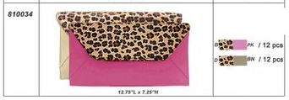

 | CLUTCH | STYLE | QTY
 | 810034B | Leopd/pk | 12
 | 810034D | Leopd/bn | 12
 |  |  | 24

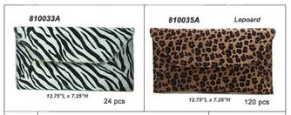

 | CLUTCH | STYLE | QTY
 | 810033A | Zibra | 24
 | 810035A | Leopoard | 120
 |  |  | 144

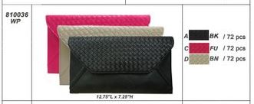
 | CLUTCH | STYLE | QTY
 | 810036A | BK | 72
 | 810036C | FU | 72
 | 810036D | BN | 72
 |  |  | 216

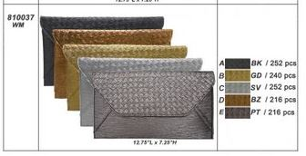

 | CLUTCH | STYLE | QTY
 | 810037A | BK/W.M | 252
 | 810037B | GD | 240
 | 810037C | SV | 252
 | 810037D | BZ | 216
 | 810037E | PT | 216
 |  |  | 1176

